Request
SOUTH CENTRAL COAST REGIONAL CONSORTIUM (SCCRC)
Budget Modification Request
K-12 Strong Workforce Program
This request form must be sent to SCCRC by the Lead LEA (not sub-grantee)
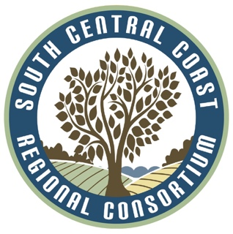
Project Leads for K12 SWP funded projects may request modifications to their approved budget by emailing this completed form to the SCCRC Fiscal Director, lrswanberg@pipeline.sbcc.edu with a cc to diane.hollems@gmail.com and amanda.j58@gmail.com. Requests are reviewed to ensure allowability under the program RFA and alignment with each grantee's Work Plan. The decision of the SCCRC, along with any necessary next steps, will be communicated to the individual submitting this form and to the individual identified as the contact for project/program related matters in the related K12 SWP Agreement.

 | Date of Request |  | Funding Year (e.g. Jan 1, 2022 - June 30, 2023) |  |  | Round

 | K12 Pathway Improvement PROJECT TITLE FROM APPLICATION (e.g. "Sustaining Pathways to AV's Future")

 | NOVA ID Number: |  | Sub-Grantee Organization (Partner LEA)

 | Grantee Organization (Lead LEA) |  | If accompanied by Capital Outlay Request, name of School purchasing

 | Grantee (Lead LEA) Contact Name |  | Sub-Grantee (Partner LEA) Contact Name & Email Address

 | Budget Modification Request
 | Part I. Spreadsheet: Enter only whole dollar amounts
 | Expenditure Type | Current Approved Budget (must match amount in NOVA) | Amount of Total Expenditures Reported to Date in NOVA | Amount Remaining | Amount to be Added / Subtracted from Budget Category (total must equal zero) | Balance After Budget Modification (amounts less than zero are not allowed)
 | 1000 - Instructional Salaries |  |  | $0 |  | $0
 | 2000 - Non-Instructional Salaries |  |  | $0 |  | $0
 | 3000 - Employee Benefits |  |  | $0 |  | $0
 | 4000 - Supplies and Materials |  |  | $0 |  | $0
 | 5000 - Other Operating Expenses and Services |  |  | $0 |  | $0
 | 6000 - Capital Outlay |  |  | $0 |  | $0
 | 7000 - Other Outgo |  |  | $0 |  | $0
 | Indirect Costs |  |  | $0 |  | $0
 | Totals | $0 | $0 | $0 | $0 | $0

 | Part II. Narrative: Please answer the following two questions (you may use an attachment to this form if needed)
 | 1. Brief explanation for the request 2. Direct alignment to the Work Plan

 | Please don't write below this line *** For SCCRC Use Only***
 | Approval of SCCRC
 | Luann R. Swanberg
 | Printed Name |  | Signature |  |  | Date

 |  |  |  |  |  | form updated 9/28/22

